Key - STUDY THIS
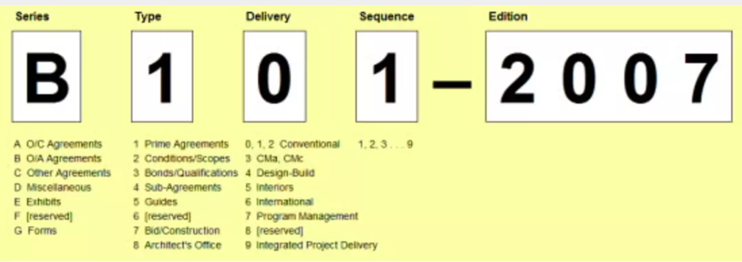
Series | AIA Document Series | Included Contracts
A | Agreements between the OWNER and the CONTRACTOR | Sub-contractors, Owner-CMc
B | Agreements between the OWNER and the ARCHITECT
C | Other Agreements | Consultant Agreements (Architect-Consultants or Owner-Consultant) Owner-Cma
D | Miscellaneous Forms and Documents
E | Exhibits | BIM, SP
F | Reserved for future use
G | Forms for CONTRACT ADMINISTRATION and PROJECT MANAGEMENT | Substantial Completion, Payments, etc.

Type | AIA Document Type | Comments
1 | Prime Agreements
2 | Conditions or Scope of the Agreements | General Conditions
3 | Bonds or Qualifications
4 | Agreements between Prime and Sub-Contractors or Sub-Consultants
5 | Guides
6 | Reserved for future use
7 | Bid Documents and Construction Forms
8 | Forms or Documents Specific to the Architect

Delivery | Projecy Delivery Method / Family | Comments
0 | Conventional Delivery
1 | Conventional Delivery
2 | Conventional Delivery
3 | Construction Manager as Advisor (CMa) or Construction Manager as Constructor (CMc) | 32: CMa 33, 34: CMc
4 | Design-Build
5 | Interior Only
6 | International
7 | Program Management
8 | Reserved for future use
9 | Integrated Project Delivery

Sequence | Document Sequence Number (1-9)
1 | Used to identify documents that are similar.
2 | Used to identify documents that are similar.
3 | Used to identify documents that are similar.
4 | Used to identify documents that are similar.
5 | Used to identify documents that are similar.
6 | Used to identify documents that are similar.
7 | Used to identify documents that are similar.
8 | Used to identify documents that are similar.
9 | Used to identify documents that are similar.

Edition | Document Edition (four digit number)
2007 | Represents the year in which the document was released or most recently revised.
2015 | Represents the year in which the document was released or most recently revised.
2017 | Represents the year in which the document was released or most recently revised.

PS | Post Script
SP | Sustainable Project

